Instructions
Restaurant Schedule Template

Overview
The Restaurant Schedule Template is a simple to use set of spreadsheets designed to reduce the time it takes to prepare staffing schedules. User defined descriptions, designed to eliminate typing of repetitive data, can be entered as needed for up to 20 different departments, 50 shifts, and 100 employees.

Features
 | Drop Down Lists | - Easy to use drop down lists for employees, departments and shifts make scheduling quick and simple.
 | 20 Job Departments | - Define up to 20 different job departments (ie. Server, Line Cook, Cashier, etc.)
 | 50 Definable Shifts | - Preset shifts for breakfast, lunch, dinner and mid shows job description and hours scheduled in the SHIFT drop down list.
 | 100 Employees | - You can add up to 100 employees to the EMPLOYEE drop down list.
 | 6 Week Schedule | - You can schedule up to six weeks at time for one department or all departments.
 | Double Shifts | - You can schedule up to two shifts per employee each day.
 | Master Schedule | - Create an optimum staffing schedule for each day of the week that your assistants can use for reference.
 | Budget Hours | - The Master Schedule calculates estimated labor cost and number of hours scheduled.
 | Hours Calculator | - Hours scheduled are automatically calculated and displayed for each day.

Instructions & Tips:
1. Before you begin work, save this worksheet and create a working copy using the File, Save As command.
2. Support and customization is available by contacting RestaurantOwner.com by email at info@RestaurantOwner.com.
3. The worksheets in this file come protected
- Only the cells where data is entered can be changed.
- To customize a worksheet you must first Un-Protect it.
- To Un-Protect a worksheet go to Menu Bar above and select Tools . . . Protection . . . Unprotect Sheet.
- Enter the password . . . "ro.com" in lower case.
- Once a worksheet is unprotected you can make changes.
- After you have made your changes, you can re-protect the worksheet using a unique password if you wish.
- Use Caution. This workbook was designed so that it can be customized without unprotecting it.
Changes made to unprotected worksheets may cause the formulas to miscalculate.

TIP - This program can be used to create a schedule for ALL DEPARTMENTS or for individual DEPARTMENTS. We suggest you make a copy of this file for each separate DEPARTMENT when creating schedules for individual DEPARTMENTS.

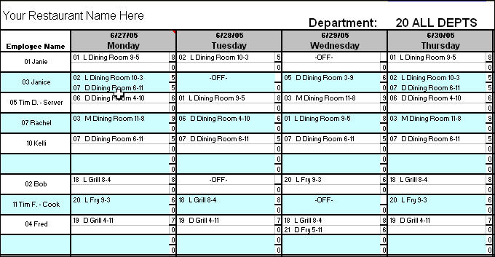
Getting Started
Objective - The objective of this program is to enable managers to create a printed schedule with minimal typing or data entry.
This is accomplished by using drop down lists to select EMPLOYEES and the SHIFTS for which they are to be scheduled.
Before you can create a schedule you must first set up the DEPARTMENTS, SHIFTS, and EMPLOYEES for your restaurant.
Next, you should create a MASTER SCHEDULE that shows the DEPARTMENTS and SHIFTS needed to staff a complete week. The MASTER SCHEDULE serves as a guide for comparison when making new schedules. It also can be used to estimate the anticipated labor cost for each day.

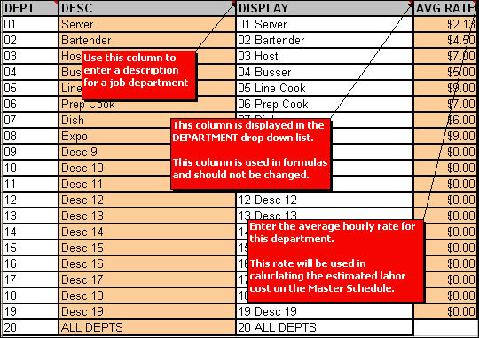
Step 1 - Setting Up DEPARTMENTS
Use the DEPARTMENTS worksheet to enter descriptions and pay rates for the job departments used for your restaurant. Please note that data is entered in the orange colored fields.
DEPARTMENTS are typically defined as job positions such as Server, Line Cook, Cashier, Counter Service, Busser, etc. which have similar pay rates.
For example, most full service restaurants will have a department called Servers or Waitstaff. The average pay for Servers is usually the minimum of $2.13 per hour. If this restaurant also had a position of Banquet Server with an average wage of $5.00 per hour, then they would need to set up another department for Banquet Server with the average hourly rate of $5.00
The average hourly rate is used for estimation purposes only. This program is not intended to calculate actual hourly rates of individual employees or overtime rates.

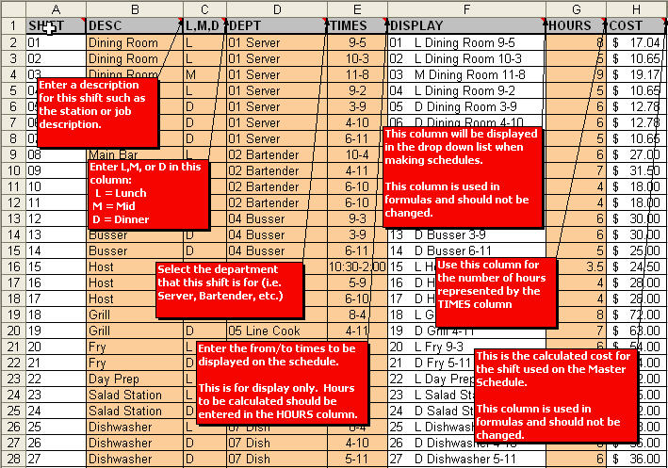
Step 2 - Setting Up SHIFTS
Use the SHIFTS worksheet for defining the different works shifts for each department in your restaurant. A SHIFT represents the scheduled work hours for a given job position or station within a department.
For example, you may have a DEPARTMENT called Line Cook. Your cook line might have 3 stations called Grill, Fry and Salad. Assuming you need all three stations manned for both lunch and dinner, you would need to create 6 SHIFTS.
DESC - Enter a description that best describes the SHIFT being created. This description will be included in the DISPLAY column.
B,L,M,D - Enter B (Brkfst), L (Lunch), M (Mid), or D (Dinner) that represents the daypart for this shift.
DEPT - Select a DEPARTMENT for the SHIFT using the drop down list. The DEPARTENT selected determines the rate of pay that will be calculated when setting up the MASTER SCHEDULE.
TIMES - Enter the beginning and ending times separated by a dash. This column is for disply purposes only and is not used in cost calculations.
DISPLAY - SHIFTS are displayed in a drop down list. The information displayed includes the L,M,or D symbol representing the daypart that the shift covers, the description entered in the DESC column, and the time description that you enter in the TIMES column.
HOURS - The HOURS column is for entering the scheduled number of hours represented by the times entered in the TIMES column.
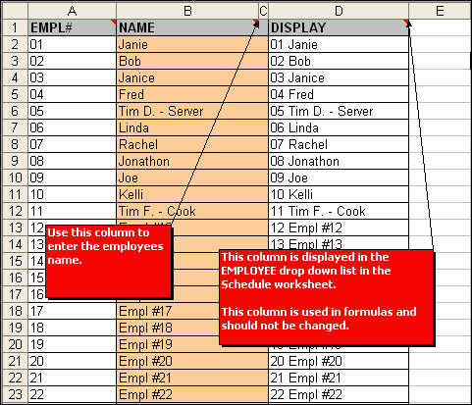
COST - This column displays the estimated labor cost, calculated by multiplying the number of hours worked times the average hourly rate for the DEPARTMENT shown in the DEPT column. This figure will be used in calculating the labor cost on the MASTER SCHEDULE.

Step 3 - Setting Up EMPLOYEES
You can have up to 100 employees on your schedule.
Enter the employee name in the NAME field.
The DISPLAY column shows the EMPL# and NAME. This information is displayed in the drop down list that is available when creating schedules.

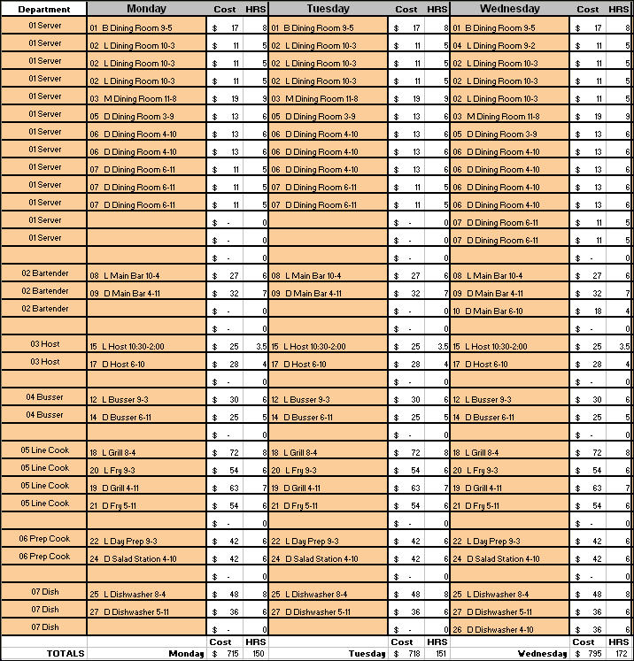
Step 4 - Creating the MASTER SCHEDULE
The MASTER SCHEDULE is intended to show the staffing requirements for each day of the week.
Use the MASTER SCHEDULE as a guide when creating the weekly schedules. By referring to the MASTER SCHEDULE, the preparer can verify that the correct number of staff have been scheduled for each day.
Your Restaurant Name Here - Enter the name of your restaurant. The name will automatically appear in the weekly schedules too.
Department Heading - Select the department for this schedule or choose ALL DEPTS if the schedule is for the entire restaurant.
The MASTER SCHEDULE has room to schedule up to 50 SHIFTS for each day. Most restaurants won't need that many SHIFTS to complete the MASTER SCHEDULE. You can use blank lines to separate DEPARTMENTS and organize the schedule into easy to read sections (see picture).
Begin entering your schedule by selecting from the Drop Down list on the first line of the DEPARTMENT column.
Next, select a SHIFT from the Drop Down list for each day of the week.
Repeat this process until all SHIFTS for the DEPARTMENT have been scheduled. NOTE: Typically Friday and Saturday require more staffing than weekdays. Therefore, some days may have blanks (see Monday and Tuesday Server section on picture).
The COST and HRS scheduled for each SHIFT automatically appear. Note that they are summarized at the end of the column, providing a COST and HRS budget for each day.
Print the MASTER SCHEDULE upon completion for reference when making your weekly schedules.

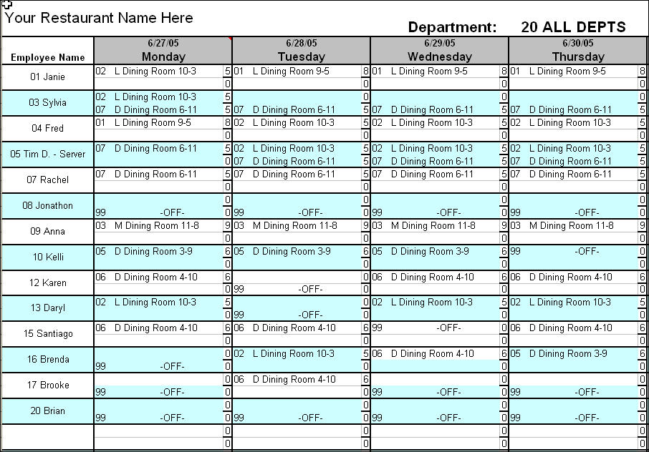
Step 5 - Creating the Weekly Schedules
Weekly schedules can be entered for up to 6 weeks. This provides the ability to post a monthly schedule as well.
Your restaurant name is automatically displayed based on the name entered on the MASTER SCHEDULE.
Department Heading - Select the department for this schedule or choose ALL DEPTS if the schedule is for the entire restaurant.
Dates for each of the days on Week 1 thru Week 6 appear above the day. The dates are automatically filled in based on the date you enter above MONDAY on the Week 1 schedule. Enter the MONDAY date in the mm/dd/yy format.
Begin entering your schedule by selecting an employee from the Drop Down list in the EMPLOYEE column. The name selected will appear in the ame spot in each of the Week 1 thru Week 6 schedules.
Next, using the MASTER SCHEDULE as a reference, select a SHIFT from the Drop Down list for each day that the employee is to be scheduled. NOTE: Each employee can be assigned up to 2 shifts per day. This is to accommodate split shift scheduling.
Repeat the above procedure for each employee. Compare the finished schedule to the MASTER SCHEDULE to make sure all SHIFTS have been assigned for each day.
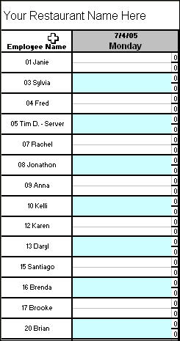
Total hours scheduled appears at end of each column
NOTE: The total number of hours scheduled appears at the end of each day's column. Compare to the MASTER SCHEDULE fro discrepencies.
You can copy the scheduled SHIFTS from one day column to another (on either the same sheet or another sheet) by using the Copy and Paste function in Excel. However, entire rows cannot be copied from one sheet to another because of the Protected status of the cells that calulate hours. |  |  | 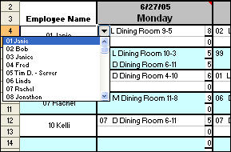
Week 2 date automatically changes with the date entered in Week 1 schedule
Continue the above procedure for each week you want to schedule.
Print each week of schedule when completed.

Click on the arrow within the cell to pull up the Drop Down list.

